Sheet1
Perycites |  |  |  |  |  |  | Affected vessel
# | x-coord (µm) | y-coord (µm) | z-coord (µm) | Is it dead? | Slice # | µm from node | Length (um) | Tortuosity
1 | 474 | 481 | 14 | 0 | 0 | 0 | 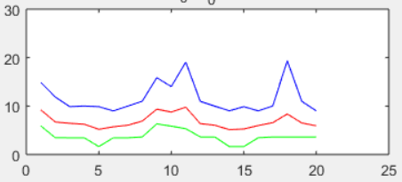 0 | 0
2 | 478 | 452 | 46 | 0 | 0 | 0 | 0 | 0
3 | 643 | 702 | 54 | 0 | 16 | 13.2832 | 151.62944221 | 1.602862555
4 | 591 | 870 | 49 | 0 | 26 | 21.5852 | 154.36594032 | 1.2063889535
5 | 386 | 632 | 51 | 1 | 46 | 38.1892 | 137.31992811 | 1.3160512667
6 | 397 | 601 | 74 | 0 | 0 | 0 | 0 | 0
7 | 358 | 683 | 15 | 0 | 0 | 0 | 0 | 0
8 | 239 | 623 | 47 | 0 | 0 | 0 | 0 | 0
9 | 273 | 556 | 36 | 0 | 0 | 0 | 0 | 0
10 | 224 | 512 | 18 | 0 | 0 | 0 | 0 | 0
11 | 371 | 390 | 45 | 0 | 20 | 16.604 | 150.88105964 | 1.4853779193
12 | 141 | 465 | 68 | 0 | 37 | 30.7174 | 170.4260327 | 1.2657065858
13 | 25 | 702 | 39 | 0 | 23 | 19.0946 | 78.862811715 | 1.250216676
14 | 167 | 643 | 47 | 0 | 0 | 0 | 0 | 0
15 | 314 | 752 | 46 | 0 | 15 | 12.453 | 49.111868114 | 1.2196087678
16 | 119 | 795 | 51 | 0 | 50 | 41.51 | 151.49908324 | 1.2873778239
17 | 169 | 813 | 57 | 0 | 7 | 5.8114 | 37.904043145 | 1.212037649
18 | 307 | 949 | 68 | 0 | 0 | 0 | 0 | 0
19 | 401 | 866 | 73 | 0 | 0 | 0 | 0 | 0
20 | 434 | 986 | 56 | 0 | 0 | 0 | 0 | 0
21 | 528 | 1002 | 61 | 0 | 0 | 0 | 0 | 0
22 | 826 | 995 | 63 | 0 | 0 | 0 | 0 | 0
23 | 918 | 1003 | 38 | 0 | 0 | 0 | 0 | 0
24 | 872 | 762 | 33 | 0 | 23 | 19.0946 | 239.00330737 | 1.9536982572
25 | 797 | 556 | 59 | 0 | 11 | 9.1322 | 36.108561005 | 1.2888610246
26 | 976 | 620 | 13 | 0 | 0 | 0 | 0 | 0
27 | 948 | 696 | 38 | 0 | 0 | 0 | 0 | 0
28 | 1007 | 774 | 58 | 0 | 0 | 0 | 0 | 0

